Report
 |  |  |  | Crystal Ball Report - Full
 |  |  |  | Simulation started on 1/3/2020 at 3:53 PM
 |  |  |  | Simulation stopped on 1/3/2020 at 3:58 PM

 | Run preferences:
 |  | Number of trials run | 100,000
 |  | Monte Carlo
 |  | Random seed
 |  | Precision control on
 |  | Confidence level | 95.00%

 | Run statistics:
 |  | Total running time (sec) | 265.35
 |  | Trials/second (average) | 377
 |  | Random numbers per sec | 2,261

 | Crystal Ball data:
 |  | Assumptions | 6
 |  | Correlations | 0
 |  | Correlation matrices | 0
 |  | Decision variables | 0
 |  | Forecasts | 2

 |  |  |  | Forecasts

Worksheet: [Module_2_metal oxide.xlsx]Uncertainty

Forecast: CO2 emission factor |  |  |  |  |  | Cell: C10

 | Summary:
 |  | Certainty level is 95.000%
 |  | Certainty range is from 88.28 to 262.40
 |  | Entire range is from 47.28 to 490.42
 |  | Base case is 151.89
 |  | After 100,000 trials, the std. error of the mean is 0.14

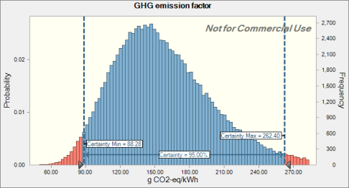

 | Statistics: |  | Forecast values
 |  | Trials | 100,000
 |  | Base Case | 151.89
 |  | Mean | 158.04
 |  | Median | 151.85
 |  | Mode | ---
 |  | Standard Deviation | 44.73
 |  | Variance | 2,000.51
 |  | Skewness | 0.8790
 |  | Kurtosis | 4.41
 |  | Coeff. of Variation | 0.2830
 |  | Minimum | 47.28
 |  | Maximum | 490.42
 |  | Range Width | 443.13
 |  | Mean Std. Error | 0.14

Forecast: CO2 emission factor (cont'd) |  |  |  |  |  | Cell: C10

 | Percentiles: |  | Forecast values
 |  | 0% | 47.28
 |  | 10% | 106.63
 |  | 20% | 120.39
 |  | 30% | 131.48
 |  | 40% | 141.74
 |  | 50% | 151.85
 |  | 60% | 163.12
 |  | 70% | 175.88
 |  | 80% | 192.14
 |  | 90% | 216.93
 |  | 100% | 490.42

Forecast: EPBT |  |  |  |  |  | Cell: C9

 | Summary:
 |  | Certainty level is 95.000%
 |  | Certainty range is from 0.67 to 1.70
 |  | Entire range is from 0.36 to 3.00
 |  | Base case is 1.07
 |  | After 100,000 trials, the std. error of the mean is 0.00

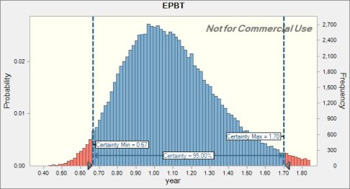

 | Statistics: |  | Forecast values
 |  | Trials | 100,000
 |  | Base Case | 1.07
 |  | Mean | 1.10
 |  | Median | 1.07
 |  | Mode | ---
 |  | Standard Deviation | 0.27
 |  | Variance | 0.07
 |  | Skewness | 0.7290
 |  | Kurtosis | 3.93
 |  | Coeff. of Variation | 0.2424
 |  | Minimum | 0.36
 |  | Maximum | 3.00
 |  | Range Width | 2.64
 |  | Mean Std. Error | 0.00

Forecast: EPBT (cont'd) |  |  |  |  |  | Cell: C9

 | Percentiles: |  | Forecast values
 |  | 0% | 0.36
 |  | 10% | 0.78
 |  | 20% | 0.87
 |  | 30% | 0.94
 |  | 40% | 1.00
 |  | 50% | 1.07
 |  | 60% | 1.13
 |  | 70% | 1.21
 |  | 80% | 1.30
 |  | 90% | 1.45
 |  | 100% | 3.00

End of Forecasts
 |  |  |  | Assumptions

Worksheet: [Module_2_metal oxide.xlsx]Uncertainty

Assumption: CO2 · module 1 |  |  |  |  |  | Cell: C8

 | Lognormal distribution with parameters:
 |  | Location | 0.00
 |  | Geo. Mean | 113.10 |  | (=C8)
 |  | Geo. Std. Dev. | 1.11 |  | (=E8)

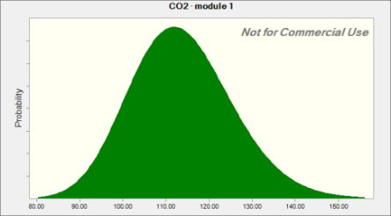

Assumption: Insolation · module 1 |  |  |  |  |  | Cell: C2

 | Normal distribution with parameters:
 |  | Mean | 1,700.00 |  | (=C2)
 |  | Std. Dev. | 58.90 |  | (=E2)
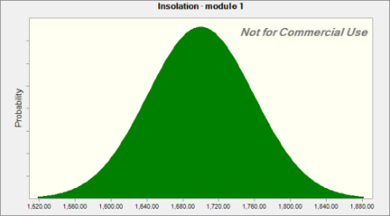

Assumption: lifetime · module 1 |  |  |  |  |  | Cell: C6

 | Lognormal distribution with parameters:
 |  | Location | 0.00
 |  | Geo. Mean | 5.00 |  | (=C6)
 |  | Geo. Std. Dev. | 1.15 |  | (=E6)

Assumption: lifetime · module 1 (cont'd) |  |  |  |  |  | Cell: C6

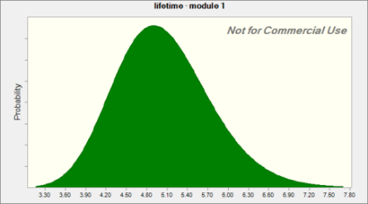

Assumption: module efficiency · module 1 |  |  |  |  |  | Cell: C4

 | Lognormal distribution with parameters:
 |  | Location | 0.00%
 |  | Geo. Mean | 11.68% |  | (=C4)
 |  | Geo. Std. Dev. | 105.00% |  | (=E4)
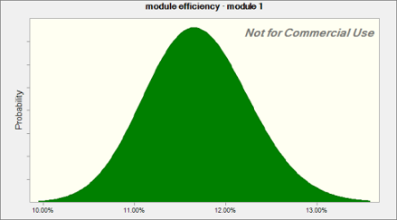

Assumption: performance ratio · module 1 |  |  |  |  |  | Cell: C3

 | Lognormal distribution with parameters:
 |  | Location | 0%
 |  | Geo. Mean | 75% |  | (=C3)
 |  | Geo. Std. Dev. | 123% |  | (=E3)

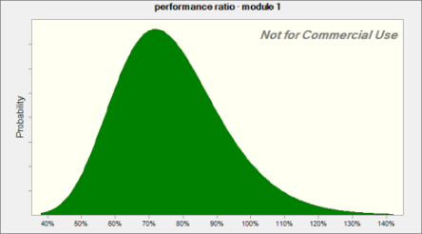

Assumption: primary energy consumption · module 1 |  |  |  |  |  | Cell: C7

 | Lognormal distribution with parameters:
 |  | Location | 0.00
 |  | Geo. Mean | 1,980.93 |  | (=C7)
 |  | Geo. Std. Dev. | 1.11 |  | (=E7)

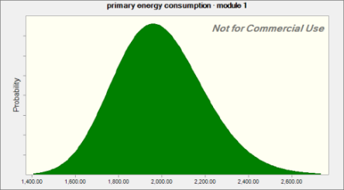

End of Assumptions
 |  |  |  | Sensitivity Charts

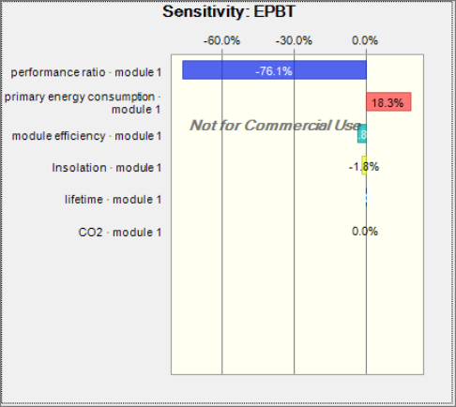

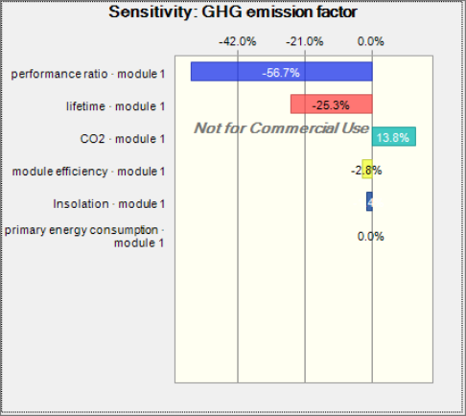

End of Sensitivity Charts

